Daily Power Station Chart_15-01
Plant_08/03/2025Chart

Plant:odco1 |  |  | Installed Capacity:111.180kWp
Today Yield(kWh):574.800kWh |  | Today Earning:229920.000TND |  | Today Full Load Hours(h):5.17h

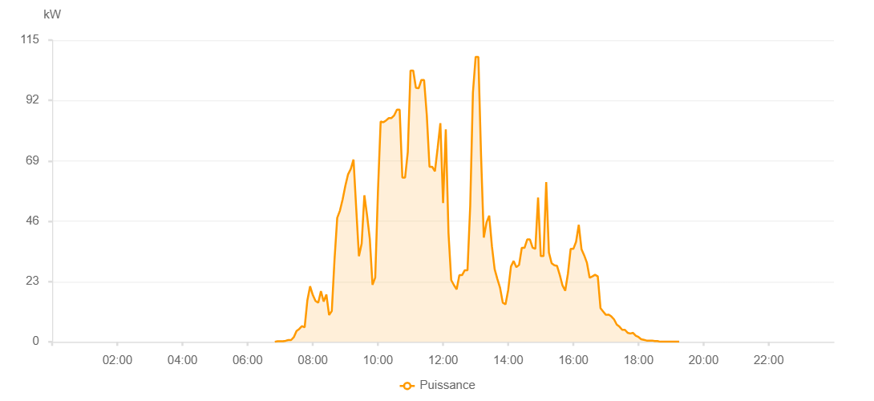

Number | Time | Working State | PV(W) | Instantaneous Radiation(W/㎡)
1 | 06:35:00 | Online | 20.00000 | 0
2 | 06:40:00 | Online | 400.00000 | 0
3 | 06:45:00 | Online | 360.00000 | 0
4 | 06:50:00 | Online | 460.00000 | 2.00000
5 | 06:55:00 | Online | 780.00000 | 5.00000
6 | 07:00:00 | Online | 2520.00000 | 18.00000
7 | 07:05:00 | Online | 3640.00000 | 39.00000
8 | 07:10:00 | Online | 4860.00000 | 65.00000
9 | 07:15:00 | Online | 7650.00000 | 91.00000
10 | 07:20:00 | Online | 9670.00000 | 118.00000
11 | 07:25:00 | Online | 12110.00000 | 149.00000
12 | 07:30:00 | Online | 15040.00000 | 173.00000
13 | 07:35:00 | Online | 17140.00000 | 199.00000
14 | 07:40:00 | Online | 19180.00000 | 256.00000
15 | 07:45:00 | Online | 20880.00000 | 256.00000
16 | 07:50:00 | Online | 26140.00000 | 275.00000
17 | 07:55:00 | Online | 29590.00000 | 300.00000
18 | 08:00:00 | Online | 31130.00000 | 325.00000
19 | 08:05:00 | Online | 34700.00000 | 349.00000
20 | 08:10:00 | Online | 36350.00000 | 375.00000
21 | 08:15:00 | Online | 39930.00000 | 401.00000
22 | 08:20:00 | Online | 42500.00000 | 423.00000
23 | 08:25:00 | Online | 43700.00000 | 447.00000
24 | 08:30:00 | Online | 46360.00000 | 469.00000
25 | 08:35:00 | Online | 47440.00000 | 487.00000
26 | 08:40:00 | Online | 52120.00000 | 510.00000
27 | 08:45:00 | Online | 56010.00000 | 532.00000
28 | 08:50:00 | Online | 57200.00000 | 556.00000
29 | 08:55:00 | Online | 58410.00000 | 577.00000
30 | 09:00:00 | Online | 59380.00000 | 615.00000
31 | 09:05:00 | Online | 60430.00000 | 615.00000
32 | 09:10:00 | Online | 61060.00000 | 615.00000
33 | 09:15:00 | Online | 69740.00000 | 649.00000
34 | 09:20:00 | Online | 70680.00000 | 669.00000
35 | 09:25:00 | Online | 72780.00000 | 684.00000
36 | 09:30:00 | Online | 75690.00000 | 707.00000
37 | 09:35:00 | Online | 77480.00000 | 721.00000
38 | 09:40:00 | Online | 77980.00000 | 740.00000
39 | 09:45:00 | Online | 80290.00000 | 755.00000
40 | 09:50:00 | Online | 80930.00000 | 772.00000
41 | 09:55:00 | Online | 82800.00000 | 786.00000
42 | 10:00:00 | Online | 82800.00000 | 801.00000
43 | 10:05:00 | Online | 83930.00000 | 821.00000
44 | 10:10:00 | Online | 86500.00000 | 821.00000
45 | 10:15:00 | Online | 87160.00000 | 821.00000
46 | 10:20:00 | Online | 88540.00000 | 871.00000
47 | 10:25:00 | Online | 89150.00000 | 859.00000
48 | 10:30:00 | Online | 90380.00000 | 871.00000
49 | 10:35:00 | Online | 90890.00000 | 880.00000
50 | 10:40:00 | Online | 92040.00000 | 880.00000
51 | 10:45:00 | Online | 92330.00000 | 938.00000
52 | 10:50:00 | Online | 92840.00000 | 906.00000
53 | 10:55:00 | Online | 94380.00000 | 906.00000
54 | 11:00:00 | Online | 95610.00000 | 927.00000
55 | 11:05:00 | Online | 95890.00000 | 927.00000
56 | 11:10:00 | Online | 97570.00000 | 933.00000
57 | 11:15:00 | Online | 97610.00000 | 933.00000
58 | 11:20:00 | Online | 97810.00000 | 938.00000
59 | 11:25:00 | Online | 96770.00000 | 200.00000
60 | 11:30:00 | Online | 98720.00000 | 949.00000
61 | 11:35:00 | Online | 99220.00000 | 963.00000
62 | 11:40:00 | Online | 99970.00000 | 967.00000
63 | 11:45:00 | Online | 103220.00000 | 967.00000
64 | 11:50:00 | Online | 103180.00000 | 1031.00000
65 | 11:55:00 | Online | 104940.00000 | 1031.00000
66 | 12:00:00 | Online | 105080.00000 | 1031.00000
67 | 12:05:00 | Online | 104340.00000 | 1047.00000
68 | 12:10:00 | Online | 68920.00000 | 1118.00000
69 | 12:15:00 | Online | 30700.00000 | 277.00000
70 | 12:20:00 | Online | 29780.00000 | 277.00000
71 | 12:25:00 | Online | 26200.00000 | 226.00000
72 | 12:30:00 | Online | 26040.00000 | 200.00000
73 | 12:35:00 | Online | 36350.00000 | 375.00000
74 | 12:40:00 | Online | 31590.00000 | 327.00000
75 | 12:45:00 | Online | 50240.00000 | 438.00000
76 | 12:50:00 | Online | 36050.00000 | 703.00000
77 | 12:55:00 | Online | 30550.00000 | 397.00000
78 | 13:00:00 | Online | 31230.00000 | 273.00000
79 | 13:05:00 | Online | 34500.00000 | 298.00000
80 | 13:10:00 | Online | 72160.00000 | 369.00000
81 | 13:15:00 | Online | 52960.00000 | 377.00000
82 | 13:20:00 | Online | 68530.00000 | 377.00000
83 | 13:30:00 | Online | 96430.00000 | 905.00000
84 | 13:35:00 | Online | 74660.00000 | 825.00000
85 | 13:40:00 | Online | 74660.00000 | 825.00000
86 | 13:45:00 | Online | 23110.00000 | 201.00000
87 | 13:50:00 | Online | 26060.00000 | 848.00000
88 | 14:25:00 | Online | 58480.00000 | 869.00000
89 | 14:30:00 | Online | 75230.00000 | 848.00000
90 | 14:35:00 | Online | 41950.00000 | 250.00000
91 | 14:40:00 | Online | 35860.00000 | 321.00000
92 | 14:45:00 | Online | 64500.00000 | 338.00000
93 | 14:50:00 | Online | 85640.00000 | 832.00000
94 | 14:55:00 | Online | 60680.00000 | 297.00000
95 | 15:00:00 | Online | 60680.00000 | 253.00000
96 | 15:05:00 | Online | 34590.00000 | 258.00000
97 | 15:10:00 | Online | 35250.00000 | 352.00000
98 | 15:15:00 | Online | 31590.00000 | 275.00000
99 | 15:20:00 | Online | 28690.00000 | 419.00000
100 | 15:25:00 | Online | 63520.00000 | 302.00000
101 | 15:30:00 | Online | 51180.00000 | 641.00000
102 | 15:35:00 | Online | 18730.00000 | 599.00000
103 | 15:40:00 | Online | 23630.00000 | 146.00000
104 | 15:45:00 | Online | 48640.00000 | 483.00000
105 | 15:50:00 | Online | 44210.00000 | 483.00000
106 | 15:55:00 | Online | 40260.00000 | 453.00000
107 | 16:00:00 | Online | 38120.00000 | 417.00000
108 | 16:05:00 | Online | 36190.00000 | 388.00000
109 | 16:10:00 | Online | 33630.00000 | 358.00000
110 | 16:15:00 | Online | 18760.00000 | 339.00000
111 | 16:20:00 | Online | 18760.00000 | 103.00000
112 | 16:25:00 | Online | 19890.00000 | 290.00000
113 | 16:30:00 | Online | 19000.00000 | 310.00000
114 | 16:35:00 | Online | 29190.00000 | 294.00000
115 | 16:40:00 | Online | 25670.00000 | 107.00000
116 | 16:45:00 | Online | 20010.00000 | 70.00000
117 | 16:50:00 | Online | 18990.00000 | 65.00000
118 | 16:55:00 | Online | 18880.00000 | 64.00000
119 | 17:00:00 | Online | 18720.00000 | 59.00000
120 | 17:05:00 | Online | 14670.00000 | 79.00000
121 | 17:10:00 | Online | 13070.00000 | 60.00000
122 | 17:15:00 | Online | 9820.00000 | 54.00000
123 | 17:20:00 | Online | 11420.00000 | 40.00000
124 | 17:25:00 | Online | 10920.00000 | 44.00000
125 | 17:30:00 | Online | 8610.00000 | 47.00000
126 | 17:35:00 | Online | 7000.00000 | 47.00000
127 | 17:40:00 | Online | 6170.00000 | 39.00000
128 | 17:45:00 | Online | 5590.00000 | 38.00000
129 | 17:50:00 | Online | 4350.00000 | 33.00000
130 | 17:55:00 | Online | 3850.00000 | 28.00000
131 | 18:00:00 | Online | 3220.00000 | 24.00000
132 | 18:05:00 | Online | 2900.00000 | 20.00000
133 | 18:10:00 | Online | 2620.00000 | 15.00000
134 | 18:15:00 | Online | 2380.00000 | 13.00000
135 | 18:20:00 | Online | 2150.00000 | 9.00000
136 | 18:25:00 | Online | 310.00000 | 5.00000
137 | 18:30:00 | Online | 180.00000 | 1.00000
138 | 18:35:00 | Online | 90.00000 | 0
139 | 18:40:00 | Online | 80.00000 | 0
140 | 18:45:00 | Online | 40.00000 | 0
141 | 18:50:00 | Online | 40.00000 | 0
142 | 18:55:00 | Online | 70.00000 | 0
143 | 19:00:00 | Online | 40.00000 | 0
144 | 19:05:00 | Online | 40.00000 | 0
145 | 19:10:00 | Online | 40.00000 | 0
146 | 19:15:00 | Online | 40.00000 | 0
147 | 19:20:00 | Online | 40.00000 | 0
148 | 19:40:00 | Online | 0.00001 | 0.00001

